Instructions--READ FIRST
INSTRUCTIONS

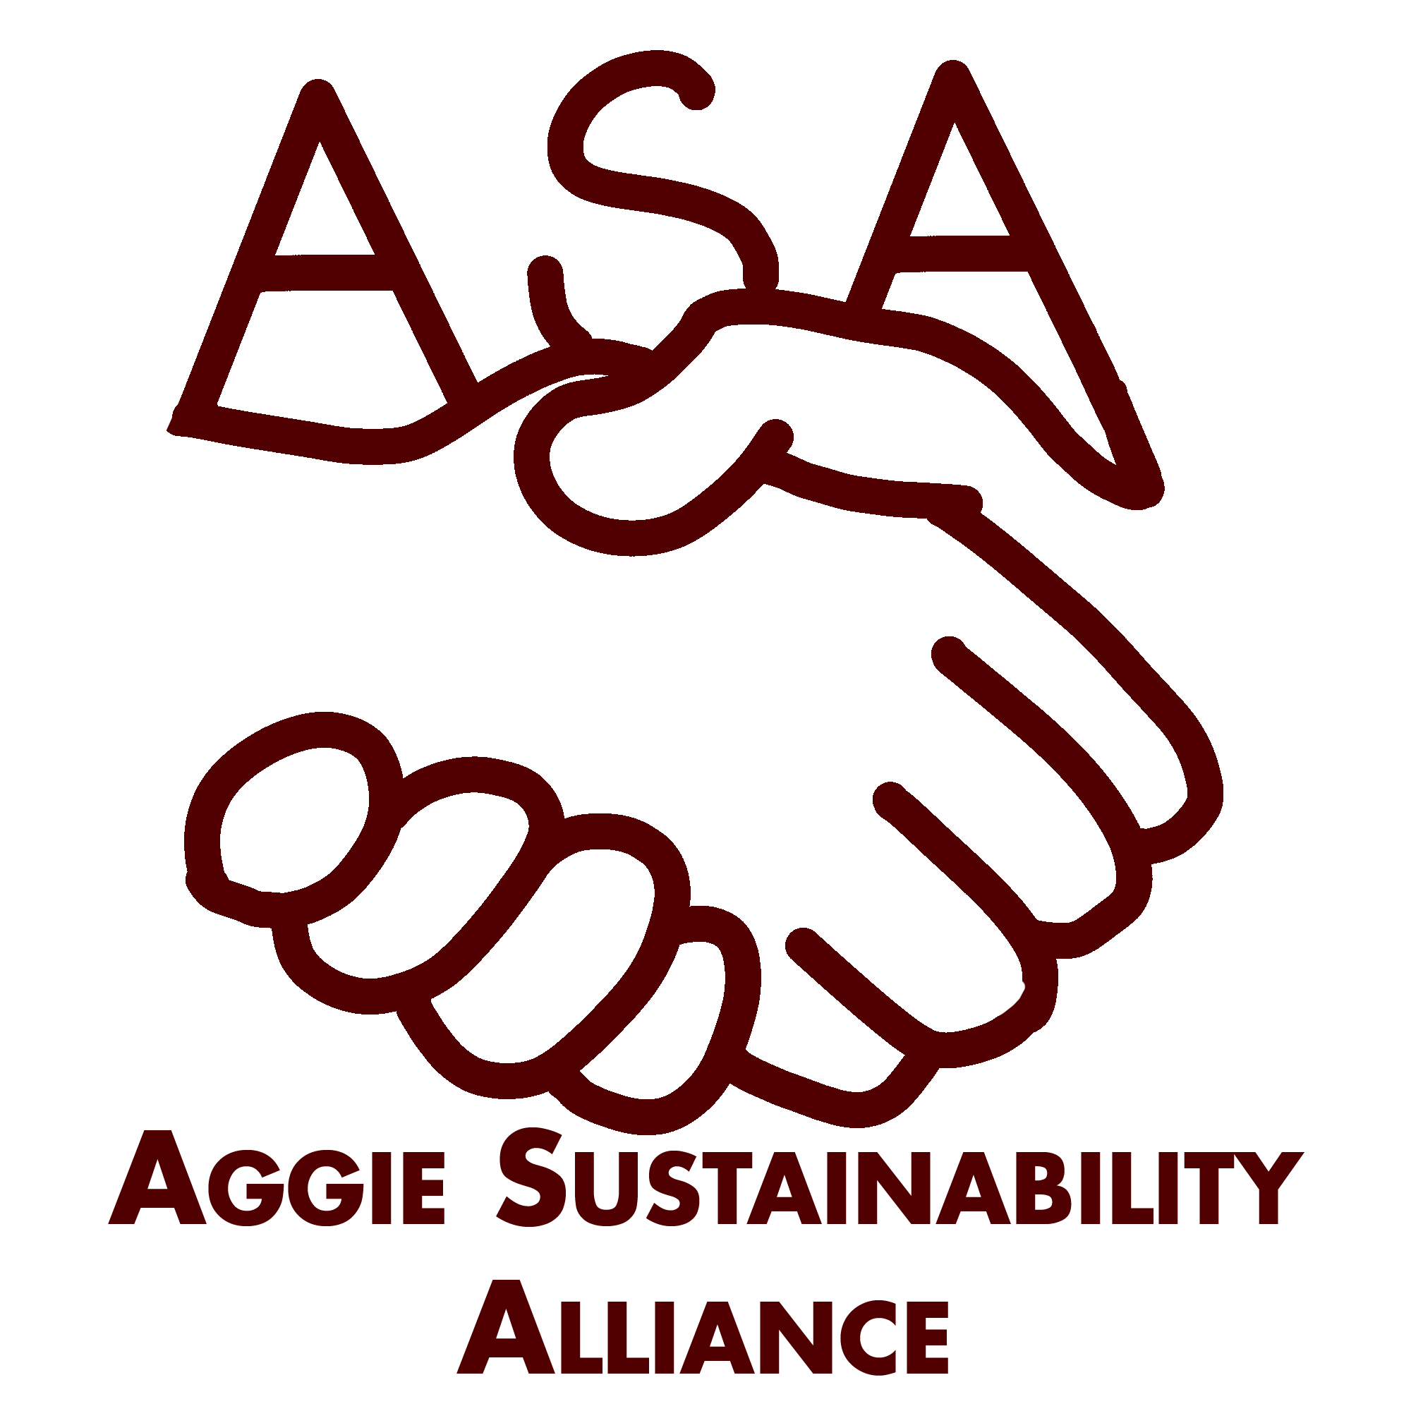
 | BACKGROUND
 | The Aggie Sustainability Alliance (ASA) provides opportunities for Aggies to tie into broader efforts and help foster a culture of sustainability in Aggieland. In addition to an individual certification for students, faculty, and staff, ASA offers a student organization-wide certification. Checklist items are grouped into Food & Purchasing, Social Sustainability & Engagement, Energy & Transportation, Recycling, and Reduce & Reuse sections.

 | CERTIFICATION LEVELS
 | There are three certification tiers:
 | Supporter = Complete 30% of checklist items
 | Advocate = Complete 55% of checklist items
 | Champion = Complete 80% of checklist items

 | FILLING OUT THE CHECKLIST
 | Click the checkbox in front of an item your organization has completed. The checklist will automatically tally points and show you your current percentage totals. As you complete the checklist, keep in mind the following:

 | • Each item is worth 1 point.
 | • Red Text signifies a mandatory notes section if claiming the point.
 | • Items marked with GREEN are bonus points.
 | • Many items contain optional hyperlinks to relevant resources or tips.
• If an item is not applicable to your organization, add a comment explaining why you believe it is N/A. (You can insert comments by selecting a cell, clicking the 'Review' tab at the top of the window, and clicking 'New Comment'.)Following review, the item may be removed from the pool of total points available for your office's checklist.

 | PREREQUISITES
 | To qualify to participate in the organization certification, 35% or more of student members in the organization must have first certified using the Aggie Sustainability Alliance individual checklist (at any tier level). Please fill out the table below to confirm program eligibility.

 | Click Here for Information on the Individual Checklist

 | Please enter all registered students from your organization:
 | Full Name | Major | ASA Certified Individual

 |  |  |  | 0
 |  | Percentage certified in ASA Individual Program | 0% | 0
 |  | Qualified to Complete ASA Office Certification | NO

